Sheet1
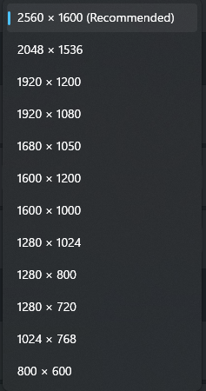

Hor | Ver | Ratio | %
2560 | 1600 | 160% | 100% | 1920 | 1080 | 1.7777777778
2048 | 1536 | 133% | 77% | 2560 | 1440
1920 | 1200 | 160% | 56% | 840
1920 | 1080 | 178% | 51%
1680 | 1050 | 160% | 43%
1600 | 1200 | 133% | 47%
1600 | 1000 | 160% | 39%
1280 | 1024 | 125% | 32%
1280 | 800 | 160% | 25%
1280 | 720 | 178% | 23%
1024 | 768 | 133% | 19%
800 | 600 | 133% | 12%

